Database Diagram
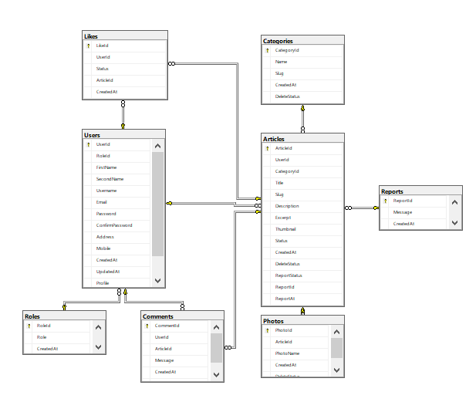

Login
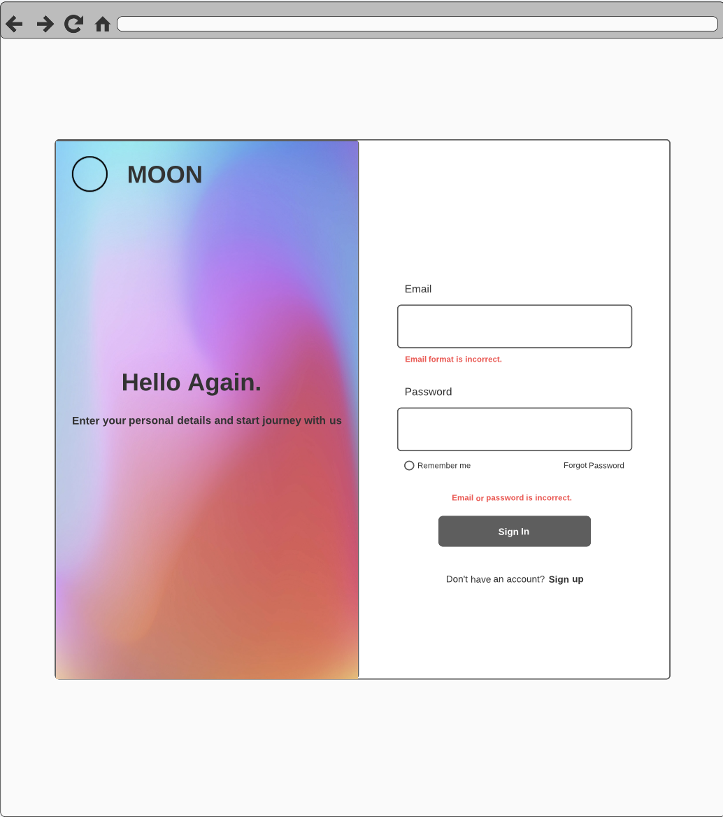

№ | Name | Type | Tab IDX | I/O | single item check |  |  | initial value | DB (CRUD) |  | Remarks | Validation message
 |  |  |  |  | Required | Digits
 |  |  |  |  |  | Min | Max |  | Table Name | Column Name
1 | Email | Textbox |  | I | 〇 |  | 50 | blank | Users | email | Check require validation. Check Email Format. Check the email has already had in the database. | Email is required. Email must be valid.
2 | Password | Textbox |  | I | 〇 | 8 | 100 | blank | Users | password | Check require validation. Check both email and password is the same as the one user stored in the server. | Password is required. Email or password is incorrect.
3 | Sign In | Submit |  | O | × |  |  |  |  |  | Go to Dashboard page.
4 | Sign Up | Link Buttom |  | O | × |  |  |  |  |  | Go to Register page.
5 | Forget Password | Link Button |  | O | × |  |  |  |  |  | Go to forgot password page

User SignUp
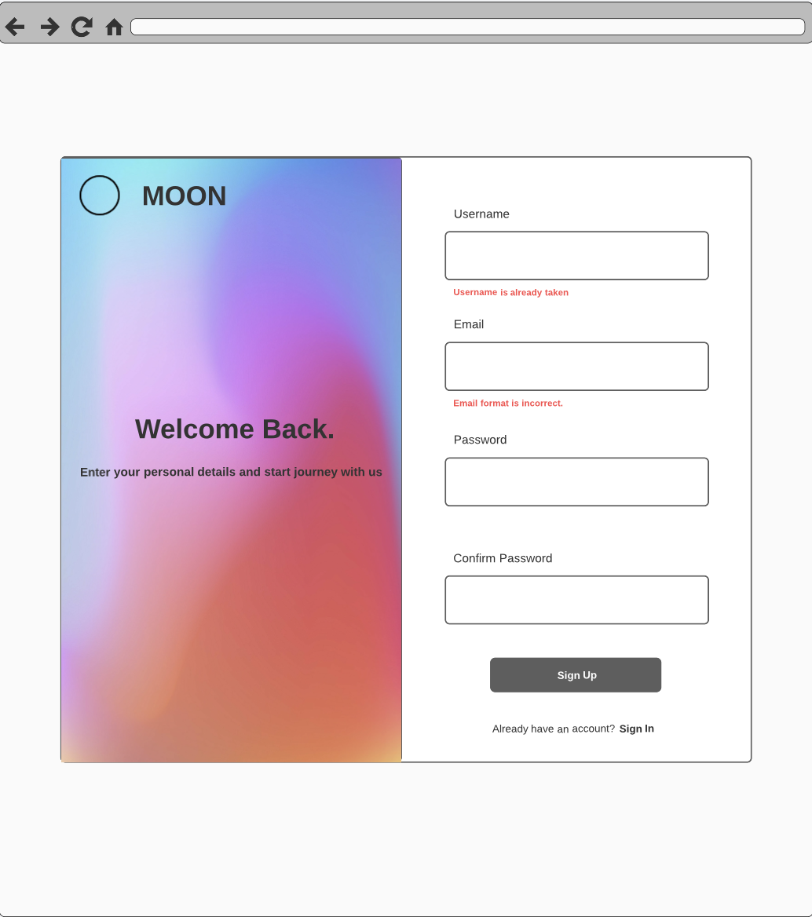

№ | Name | Type | Tab IDX | I/O | single item check |  |  | initial value | DB (CRUD) |  | Remarks | Validation message
 |  |  |  |  | Required | Digits
 |  |  |  |  |  | Min | Max |  | Table Name | Column Name
1 | Username | Textbox |  | I | 〇 |  | 50 | blank | Users | username | Check require validation. | Username field required, username is already taken.
2 | Email | Textbox |  | I | 〇 |  | 50 | blank | Users | email | Check require validation. Check Email Format. Check the email has already had in the database. | Email can't blank Email format is invalid Email is already exist
3 | Password | Textbox |  | I | 〇 | 8 | 100 | blank | Users | password | Check require validation. Check min validation | Password name can't blank Password min length is 8 character. Your password must be mininum 8 characters long.Your password should contain at-least 1 Uppercase, 1 Lowercase, 1 Numberic and 1 Special character
4 | Confirm Password | Textbox |  | I | 〇 | 8 | 100 | blank | Users | confirm password | Check require validation. Check whether same or not with password field. | Conrim password name can't blank Conrim password min length is 8 character Password does't match
5 | Sign Up | Submit |  | O | × |  |  |  |  |  | Check validation and if it is ok, insert into users table and directly change the route into login page
6 | Sign In | link Button |  | O | × |  |  |  |  |  | Go to login page.

AdminDashboard
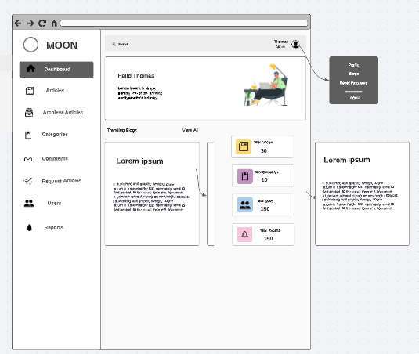
Dashboard

CategoryCreate
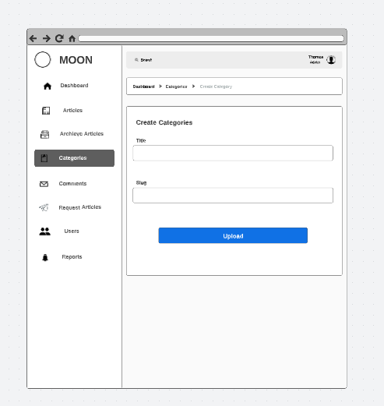

Dashboard

Subcategories

Courses

User Lists

№ | Name | Type | Tab IDX | I/O | single item check |  |  | initial value | DB (CRUD) |  | Remarks | Validation message
 |  |  |  |  | Required | Digits
 |  |  |  |  |  | Min | Max |  | Table Name | Column Name
1 | Title | Textbox |  | I | 〇 |  | 50 | blank | Categories | Name | Check require validation. Check title is already existed | Category name can't be blank, Category name can't be the same as existing name
2 | Slug | Textbox |  | I | 〇 |  | 50 | blank | Categories | Slug | Check require validation. Check slug is already existed | Category slug can't be the same as existing slug
3 | Create | Submit |  | 〇 | × |  |  | blank |  |  | Check the validation and if it is okay, it will insert into Categories table

CategoryList
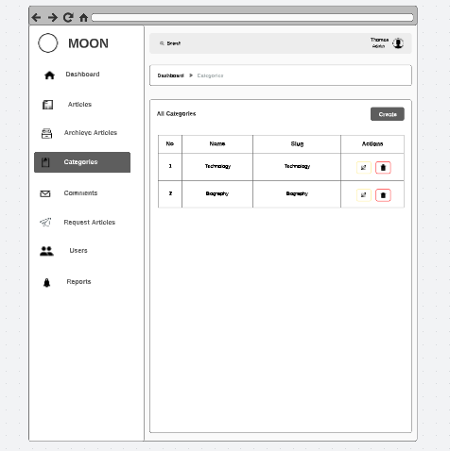

Dashboard

Subcategories
ID
Subcategory Name
Courses
Action
Courses

User Lists

ArticleCreate
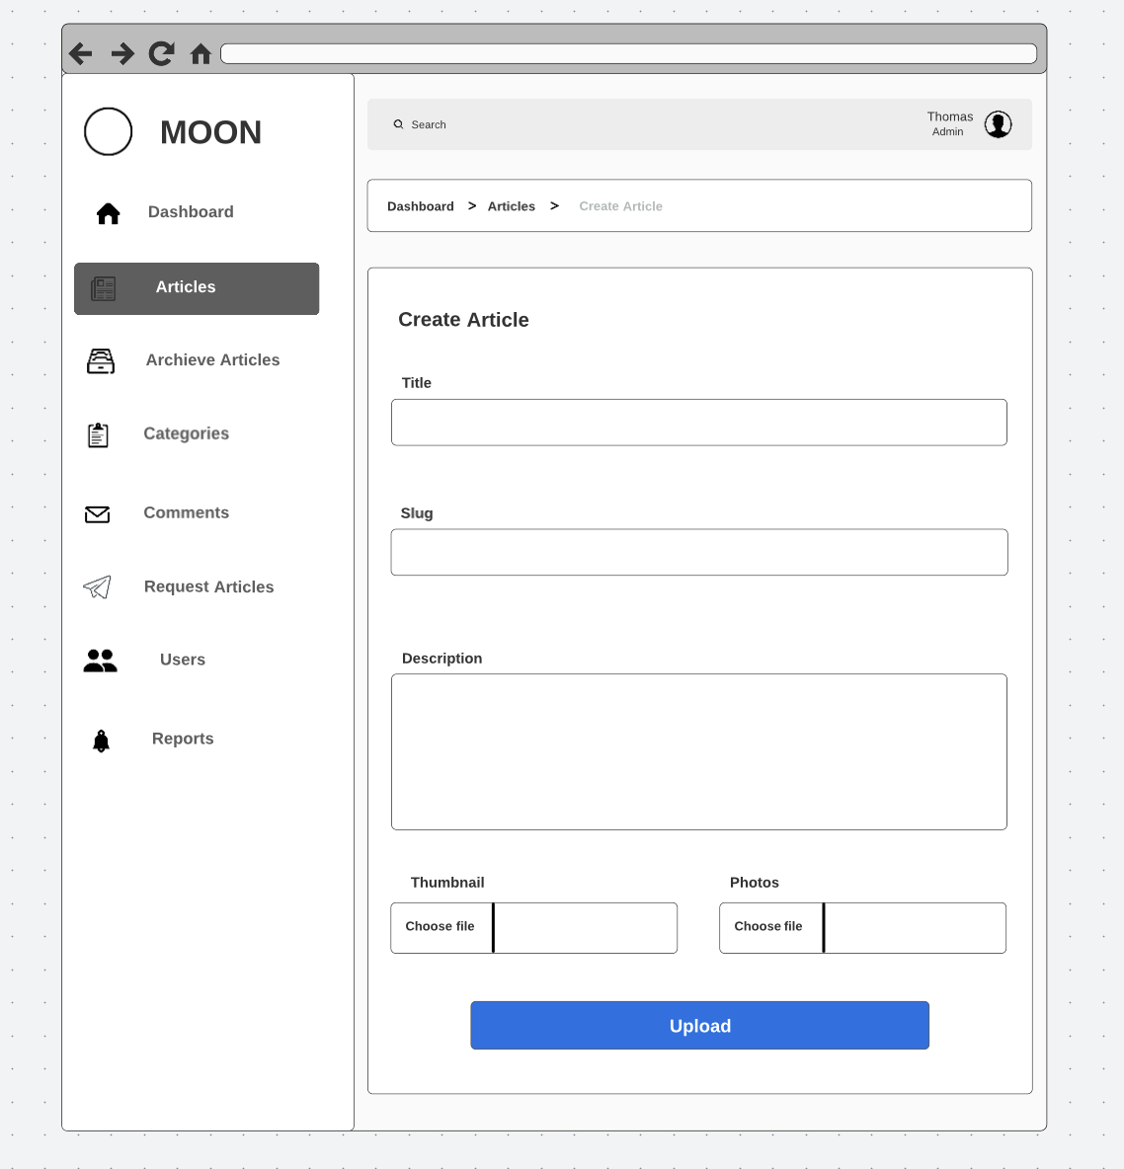

Courses

User Lists

№ | Name | Type | Tab IDX | I/O | single item check |  |  | initial value | DB (CRUD) |  | Remarks | Validation message
 |  |  |  |  | Required | Digits
 |  |  |  |  |  | Min | Max |  | Table Name | Column Name
1 | Title | Textbox |  | I | 〇 |  | 50 | blank | Articles | Title | Check require validation. | Title name can't be blank
2 | Slug | Textbox |  | I | 〇 |  | 50 | blank | Articles | Slug | Check require validation. Check the slug is already existed | Article slug can't be the same as existing slug
3 | Description | Textbox |  | I | 〇 |  | MAX | blank | Articles | Description | Check require validation. | Description can't be blank
4 | Thumbnail | File upload |  | I |  |  |  | blank | Articles | Thumbnail | Check file extension and file length | Only .jpg, .jpeg, .png files are supported, image size should be less than 100KB
5 | Photos | File upload |  | I |  |  |  | blank | Photos | Photo | Check file extension and file length | Only .jpg, .jpeg, .png files are supported, image size should be less than 100KB
6 | Upload | Submit |  | 〇 | × |  |  | blank | Articles |  | Check the validation, if it is okay, it will insert into article's table

ArticleList
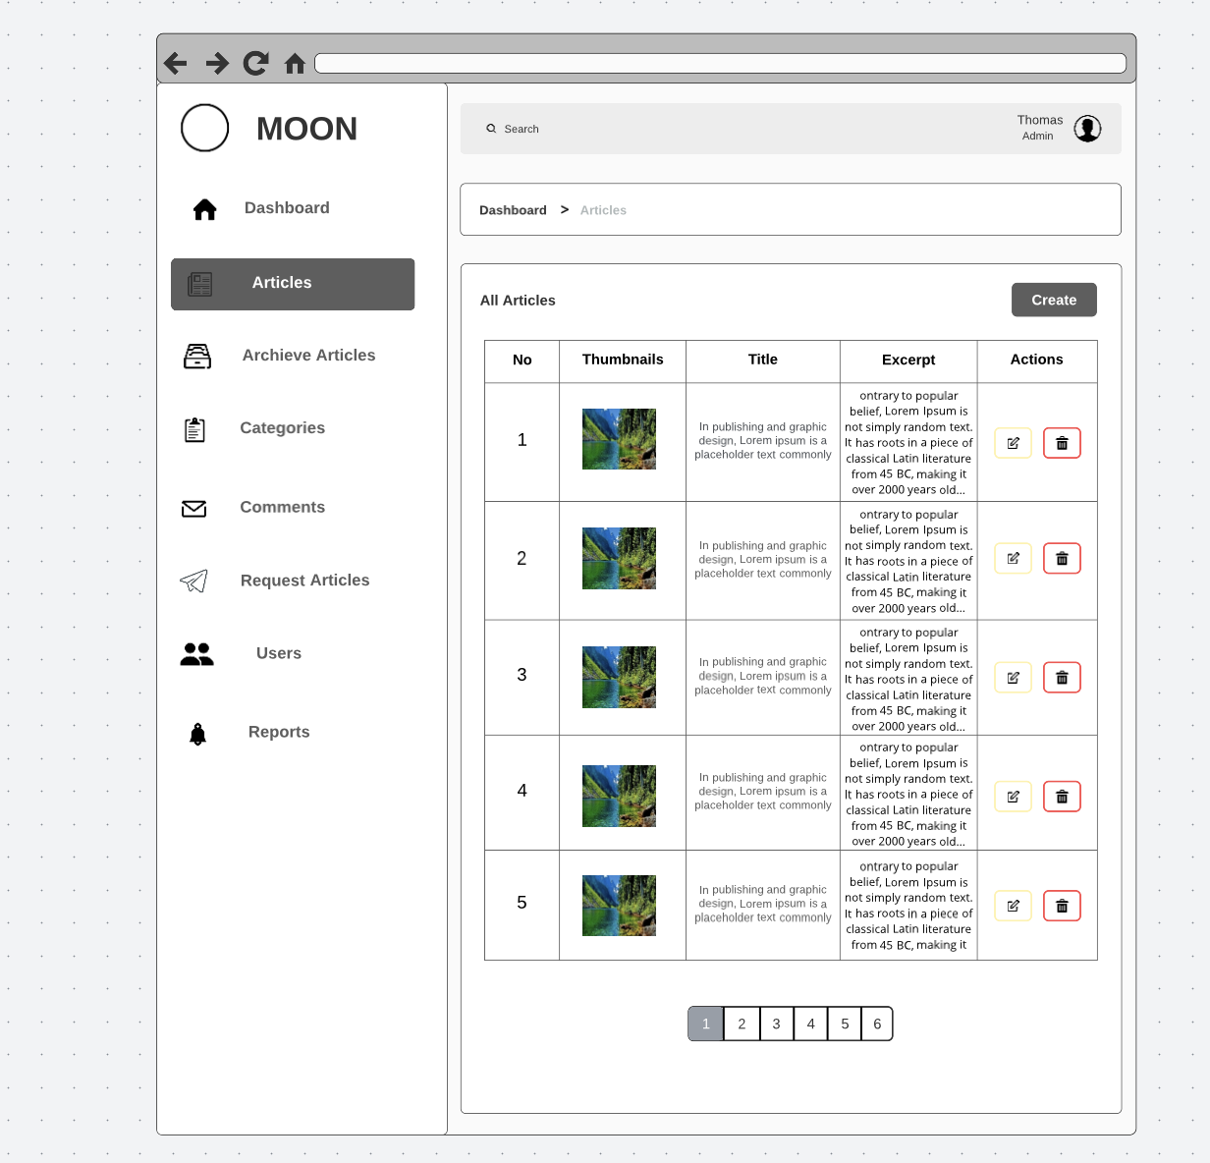

ID
Course Name
Subcategory
Instructor
Price
Action
Courses

User Lists

Comment List
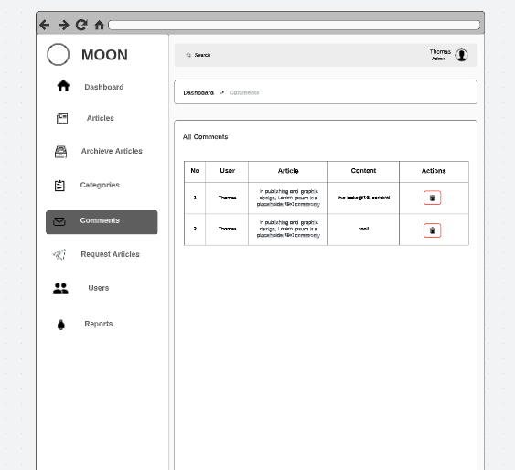

UserList
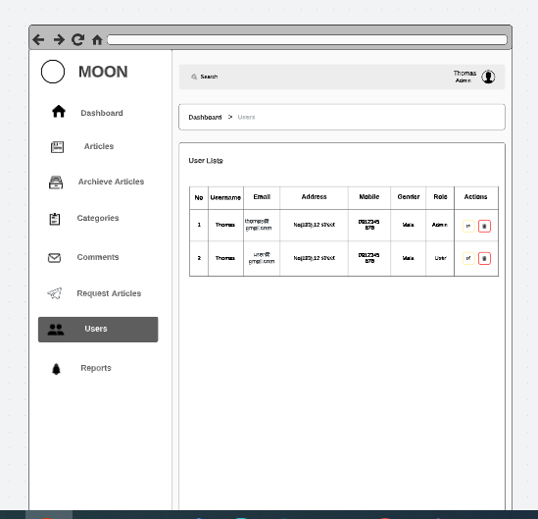

ID
Action

Java, C++,...

ReportList
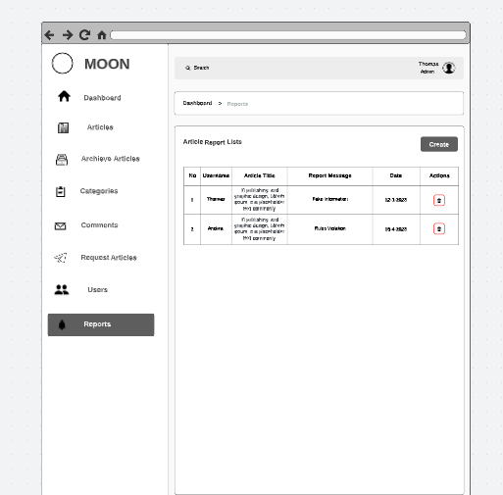

ID
Action

Java, C++,...

ReportCreate
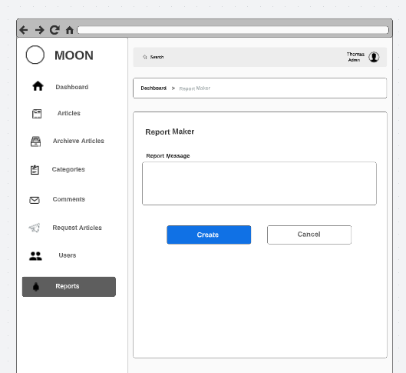

Courses

User Lists

№ | Name | Type | Tab IDX | I/O | single item check |  |  | initial value | DB (CRUD) |  | Remarks | Validation message
 |  |  |  |  | Required | Digits
 |  |  |  |  |  | Min | Max |  | Table Name | Column Name
1 | Title | Textbox |  | I | 〇 |  | 255 | blank | Reports | Content | Check require validation. | Report's message can't be blank
2 | Create | Button |  | 〇 | × |  |  | blank | Reports |  | Check validation, if it is okay, it will insert into report table.
3 | Cancel | Button |  | 〇 | × |  |  | blank | Reports |  | Go to previous page

AdminProfile
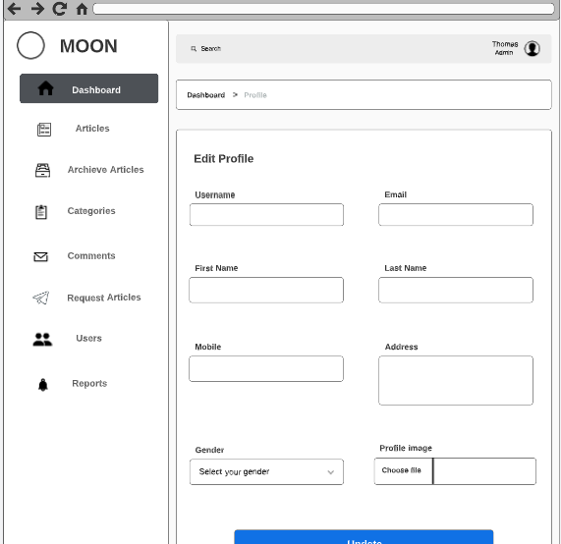

№ | Name | Type | Tab IDX | I/O | single item check |  |  | initial value | DB (CRUD) |  | Remarks | Validation message
 |  |  |  |  | Required | Digits
 |  |  |  |  |  | Min | Max |  | Table Name | Column Name
1 | Username | Textbox |  | I | O |  | 50 | blank | Users | Username | check require validation.check the username is already exists. | Username is already in taken.
2 | Email | Textbox |  | I | O |  | 50 | blank | Users | Email | Check require validation. Check email is already in taken , Check email format is valid or not | Email is already in taken, Email format is invalid.
3 | First Name | Textbox |  | I | O |  | 50 | blank | Users | FirstName | Check require validation. | Name field required
4 | Last Name | Textbox |  | I | O |  | 50 | blank | Users | LastName | Check require validation. | Name field required
5 | Mobile | Textbox |  | I | O |  | 50 | blank | Users | Mobile | Check require validation. Check mobile format is valid or not. | Mobile format is not a valid number, Mobile field required
6 | Address | Textbox |  | I | O |  | 255 | blank | Users | Address | Check require validation. | Address field required
7 | Gender | Dropdown list |  | I | O |  |  | None | Users | Gender | Check require validation. | Choose your gender
8 | Profile image | File Upload |  | I |  |  |  |  | Users | Profile Image | Check the file extension that is .jpg, .jpeg, .png. Check the file length | Only .jpg, .jpeg, .png files are supported. File size should be less than 100kb
9 | Update | Button |  | O |  |  |  | blank |  |  | Check validation and if it is ok, insert into users table.

UserDashboard
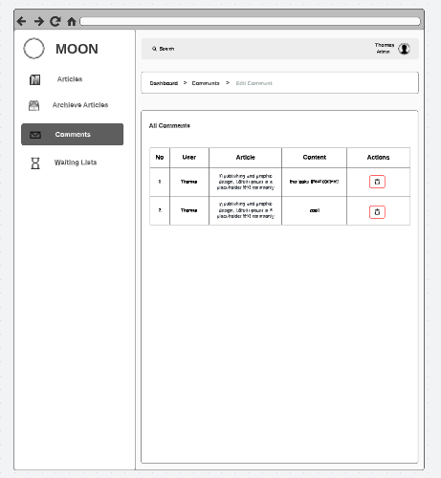

UserPasswordChange
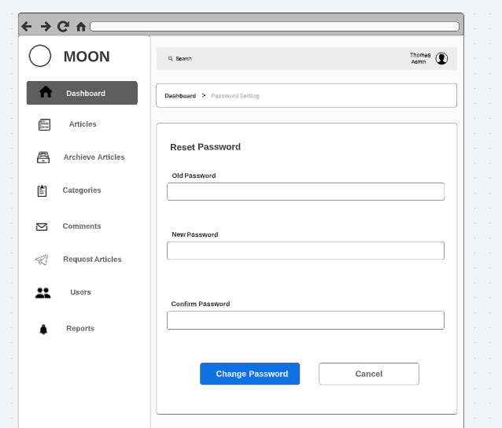

№ | Name | Type | Tab IDX | I/O | single item check |  |  | initial value | DB (CRUD) |  | Remarks | Validation message
 |  |  |  |  | Required | Digits
 |  |  |  |  |  | Min | Max |  | Table Name | Column Name
1 | Old Password | Textbox |  | I | 〇 |  | 50 | blank | Users |  | Check require validation. | User name can't blank
2 | New Password | Textbox |  | I | 〇 | 8 | 100 | blank | Users | password | Check require validation. Check min validation | Password name can't blank Password min length is 8 character
3 | Confirm Password | Textbox |  | I | 〇 | 8 | 100 | blank | Users | confirm password | Check require validation. Check whether same or not with password field. | Conrim password name can't blank Conrim password min length is 8 character Password does't match
4 | Change Password | Button |  | O | × |  |  | blank |  |  | Check validation and if it is ok, insert into users table.
5 | Cancle | Button |  | O | × |  |  |  |  |  | Go to Previous page.

Home
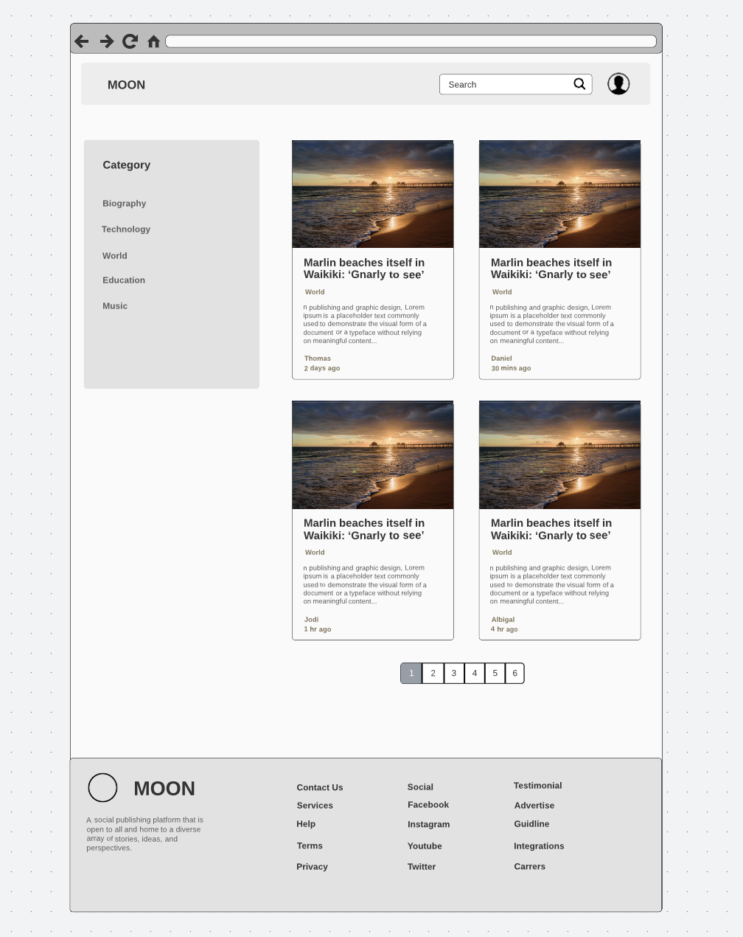

Detail
